Sheet1
Story # | Story Description | Test Priority | Test Status | Description of Story | P2P/E2E Integration Requirements | Activity Diagram | Test Step ID | Test Steps Description | Test Input | Expected Outputs | Test Category | Actual Result | Pass/Faile | Defect-ID (JIRA)
 |  |  |  |  |  | (Control Flow) |  |  |  |  |  |  |  | (if Fail)
UDBTEY-143 | Co Applicant - Manual KYC - Data fetched via FinTech API service for NREGA |  |  | As a Business executive, I need a system that allows me to manually upload NREGA card details during KYC procedures. The system should facilitate a Data aggregator check on the provided information. This ensures that customer data is accurate and helps streamline the KYC process. Pre-Conditions to Test: The system is operational and accessible. Business executives have valid login credentials and access permissions. Relevant APIs for Data aggregator integration and OCR service are available and functional. NREGA card details are available and ready for upload. The system has been configured with the necessary input and output fields. OSV documents, if required, are available and ready for confirmation. Data aggregator parameters have been discussed and finalized with the vendor. A valid Consumer Number is provided for testing. The system is in a state where it can perform KYC procedures. | Data Aggregator Integration: Requirement 1.1: The system must establish a secure connection with the Data Aggregator's API. Requirement 1.2: The system should be able to send a request to the Data Aggregator's API with the Consumer Number as a parameter. Requirement 1.3: The system must handle API responses, including errors and successful data retrieval. Requirement 1.4: Data Aggregator API credentials (API key, token, etc.) must be securely stored and managed. Requirement 1.5: Error handling and logging mechanisms should be in place to track API interactions and troubleshoot issues. OCR Service Integration (Temporary Manual Process): Requirement 2.1: The system should be capable of receiving data from the OCR service. Requirement 2.2: Data received from the OCR service should be properly parsed and validated. Requirement 2.3: Inaccurate or missing data from the Data Aggregator should trigger the OCR service data retrieval process. Requirement 2.4: A mechanism to prioritize and manage OCR service data should be implemented. End-to-End Integrations Requirements: User Interface Integration: Requirement 3.1: The user interface should provide a user-friendly way for Business Executives to upload and enter NREGA card details. Requirement 3.2: The UI should include input fields for Consumer Number and OSV confirmation. Requirement 3.3: OSV document uploading should be straightforward with appropriate validation. Data Flow and Processing: Requirement 4.1: Data entered by Business Executives should be captured, stored securely, and associated with the respective customer. Requirement 4.2: Data from the Data Aggregator and OCR service should be processed and displayed accurately in the output fields. Requirement 4.3: Data accuracy checks should be performed before allowing Business Executives to proceed. | 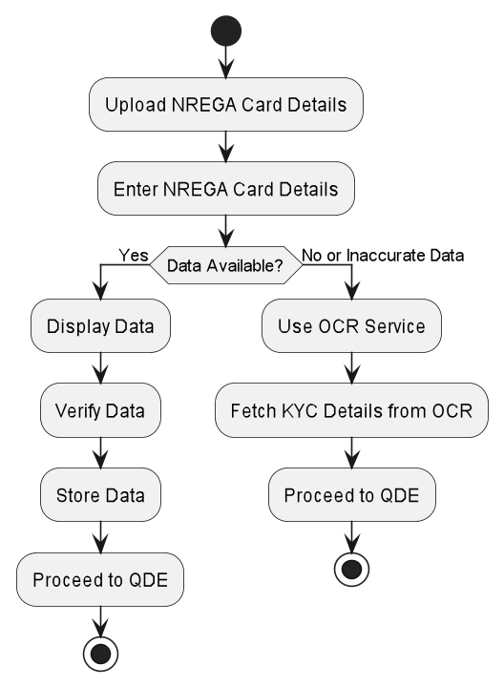 | TC01 | Upload NREGA card details successfully | Valid NREGA card details | NREGA information auto-populated in output fields | Positive
 |  |  |  |  |  |  | TC02 | Confirm OSV successfully | OSV checkbox checked | OSV confirmation recorded, proceed to QDE | Positive
 |  |  |  |  |  |  | TC03 | No response from Data Aggregator | Valid NREGA card details, OSV checkbox | OCR service used, proceed to QDE | Exception
 |  |  |  |  |  |  | TC04 | Inaccurate response from Data Aggregator | Valid NREGA card details, OSV checkbox | OCR service used, proceed to QDE | Exception
 |  |  |  |  |  |  | TC05 | OSV confirmation required, but not confirmed | Valid NREGA card details | Error message displayed, OSV confirmation required | Negative
 |  |  |  |  |  |  | TC06 | Missing Consumer Number | Missing Consumer Number | Error message displayed, valid Consumer Number required | Negative
 |  |  |  |  |  |  | TC07 | Invalid Consumer Number | Invalid Consumer Number | Error message displayed, valid Consumer Number required | Negative
 |  |  |  |  |  |  | TC08 | Data Aggregator provides accurate response | Valid NREGA card details, OSV checkbox | NREGA information auto-populated in output fields, proceed to QDE | Positive
 |  |  |  |  |  |  | TC09 | No OSV confirmation, but not required | Valid NREGA card details | Proceed to QDE | Positive

